PPT types
Powered pallet trucks (PPTs)

Type 1: High-lift truck | Type 1: High-lift truck with drivers platform
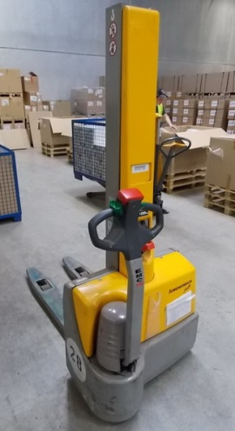 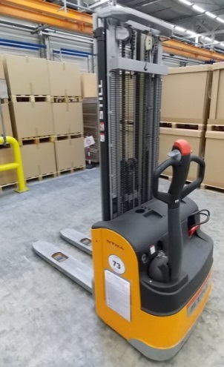 | 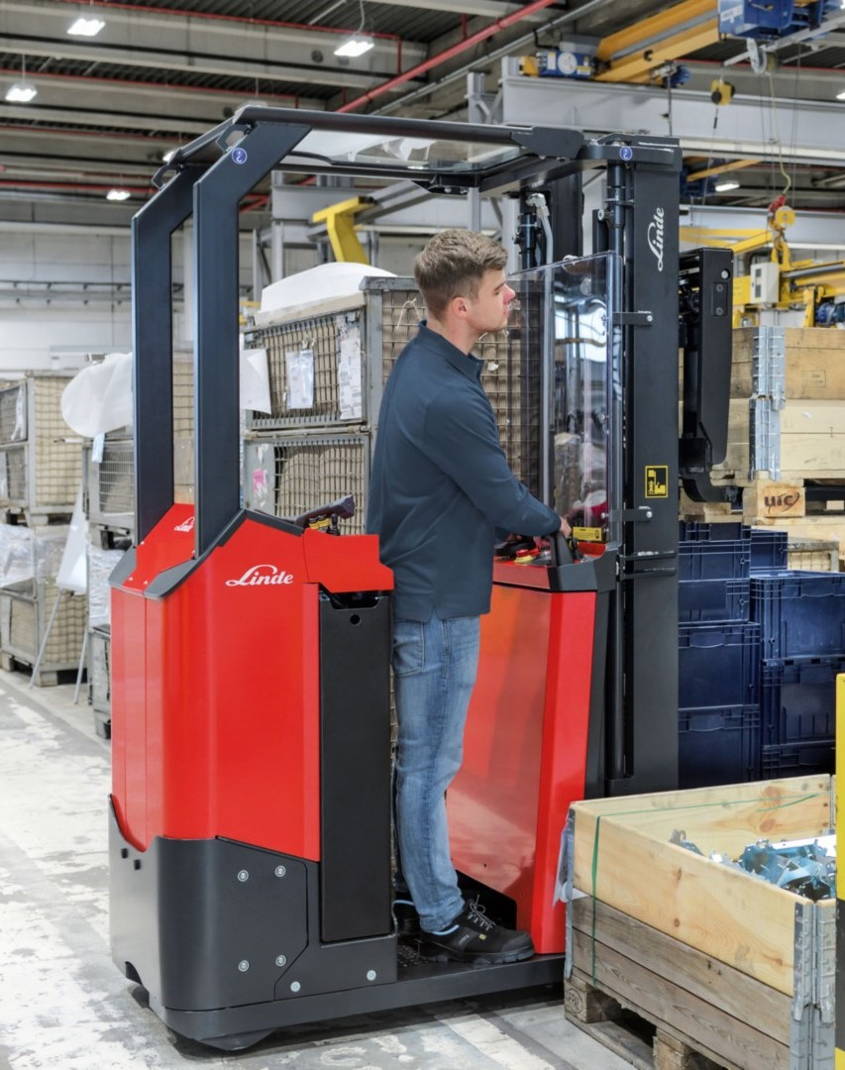
 | Vmax. < 6 km/h
Type 2: Elevating transporter | Type 3: Straddle stacker
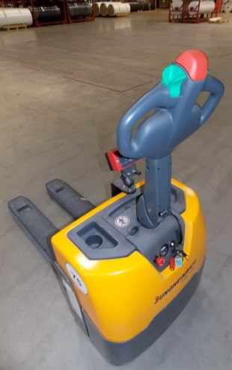 | 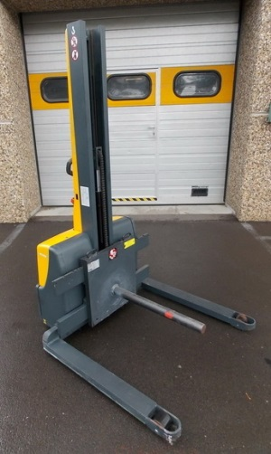

Type 4: Double-deck lift truck

