Types of forklift truck
Types of forklift truck (FLT)

Type 1: Front loader | Type 2: Reach truck
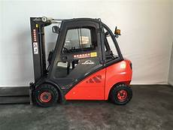 | 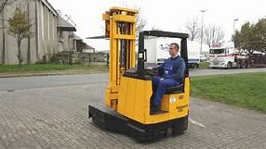

Type 3: Order picker | Type 4: Logistic train
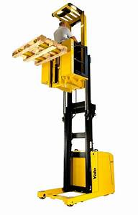 | 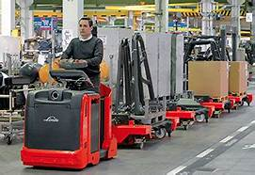

Type 5: Side loader without seat (with drivers platform) Vmax > 6 km/h | Type 6 Driverless transport system
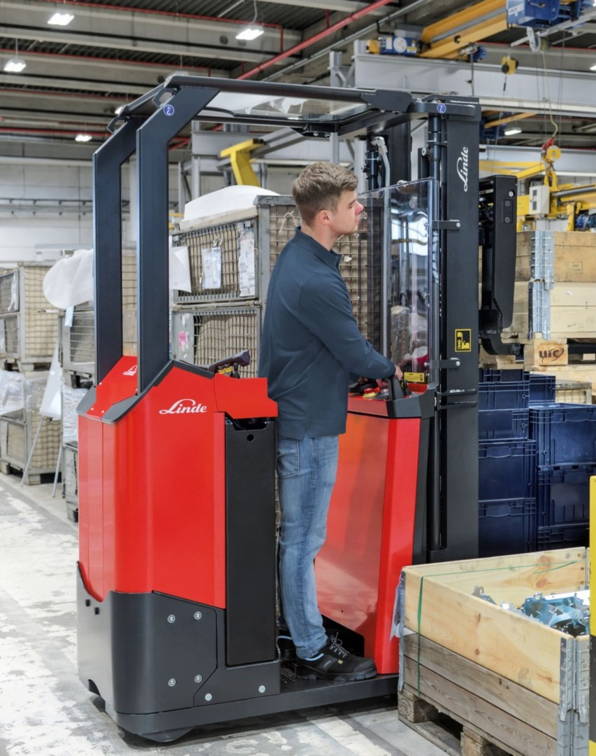 | 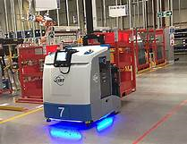
Pallet trucks with drivers platform Vmax < 6 km/h see PPT

